Update Bags 09.01.2026
Foto | Artikelnummer | Artikel | Farbnummer | Farbe | Größe | RRP | New Stock
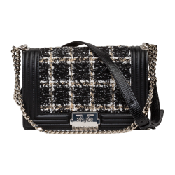 | V69WBAG48 | Mila | 901 | Black | OS | 180.00 € | 374
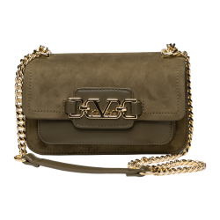 | V69WBAG51G | Jonna Gold | 500 | Green | OS | 160.00 € | 85
 | V69WBAG51G | Jonna Gold | 901 | Black | OS | 160.00 € | 454
 | V69WBAG51LG | Jonna Large Gold | 500 | Green | OS | 180.00 € | 206
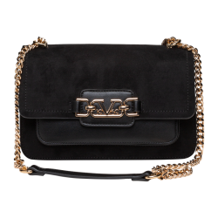 | V69WBAG51LG | Jonna Large Gold | 901 | Black | OS | 180.00 € | 267
 | V69WBAG52G | Kyla Gold | 500 | Green | OS | 200.00 € | 465
 | V69WBAG52G | Kyla Gold | 901 | Black | OS | 200.00 € | 995
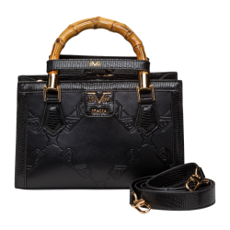 | V69WBAG53 | Lene | 901 | Black | OS | 180.00 € | 514
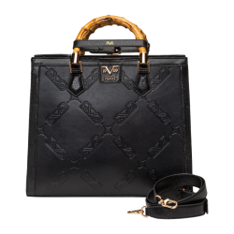 | V69WBAG53L | Lene Large | 901 | Black | OS | 190.00 € | 488
 | V69WBAG54 | Lotte | 730M | taupe/orange | OS | 180.00 € | 955
 | V69WBAG54 | Lotte | 750M | Beige/Taupe | OS | 180.00 € | 635
 | V69WBAG54L | Lotte Large | 730M | taupe/orange | OS | 200.00 € | 911
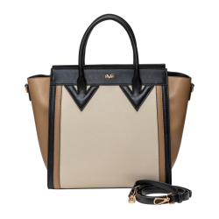 | V69WBAG54L | Lotte Large | 750M | Beige/Taupe | OS | 200.00 € | 560
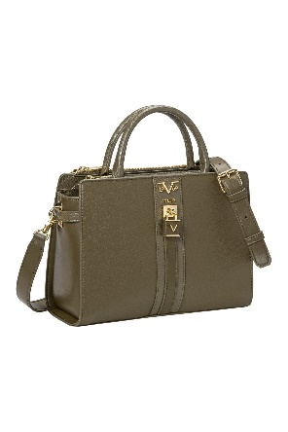 | V69WBAG59 | Lisana | 550 | Military Green | OS | 180.00 € | 573
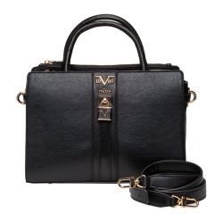 | V69WBAG59 | Lisana | 901 | Black | OS | 180.00 € | 531
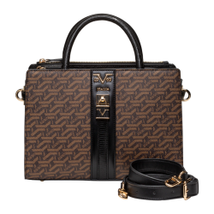 | V69WBAG59A | Lisana Aop | 700 | Brown | OS | 190.00 € | 362
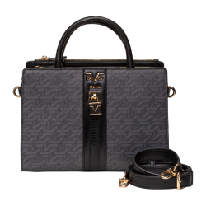 | V69WBAG59A | Lisana Aop | 850 | Grey | OS | 190.00 € | 435
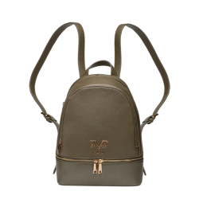 | V69WBAG60 | Robi | 550 | Military Green | OS | 190.00 € | 609
 | V69WBAG60 | Robi | 730 | Taupe | OS | 190.00 € | 236
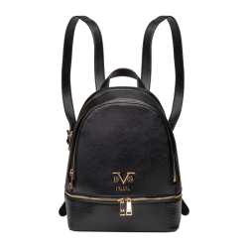 | V69WBAG60 | Robi | 901 | Black | OS | 190.00 € | 541
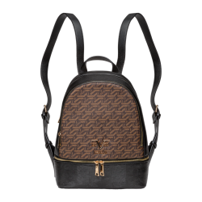 | V69WBAG60A | Robi AOP | 700 | Brown | OS | 200.00 € | 263
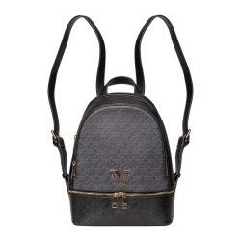 | V69WBAG60A | Robi AOP | 850 | Grey | OS | 200.00 € | 281
 | V69WBAS170 | Gaia Gold | 550 | Military Green | OS | 170.00 € | 230
 | V69WBAS170 | Gaia Gold | 650 | Navy | OS | 170.00 € | 217
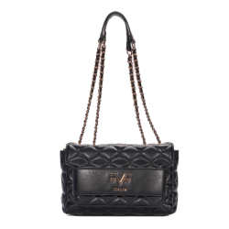 | V69WBAS170 | Gaia Gold | 901 | Black | OS | 170.00 € | 360
 | V69WBAS172 | Vivi Gold | 550 | Military Green | OS | 120.00 € | 255
 | V69WBAS172 | Vivi Gold | 650 | Navy | OS | 120.00 € | 244
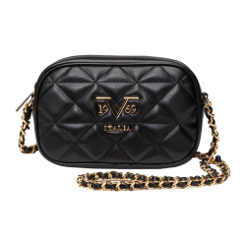 | V69WBAS172 | Vivi Gold | 901 | Black | OS | 120.00 € | 425
 | V69WBAS172B | Vivi Gold2 | 461 | cherry | OS | 120.00 € | 485
 | V69WBAS172B | Vivi Gold2 | 901 | Black | OS | 120.00 € | 780
 | V69WBAS174 | Silvia Gold | 550 | Military Green | OS | 190.00 € | 240
 | V69WBAS185 | Gaby Gold | 550 | Military Green | OS | 170.00 € | 113
 | V69WBAS185 | Gaby Gold | 650 | Navy | OS | 170.00 € | 235
 | V69WBAS185 | Gaby Gold | 901 | Black | OS | 170.00 € | 544
 | V69WBAS78 | Nami Gold | 901 | Black | OS | 200.00 € | 250
 | V69WBAS80 | Blairi Gold | 461 | cherry | OS | 170.00 € | 465
 | V69WBAS83 | Bianca | 461 | cherry | OS | 180.00 € | 460
 | W23BA0701 | Alba | 901 | Black | OS | 130.00 € | 32
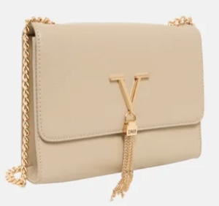 | W23BA1001S | Arianna small | 850 | Grey | OS | 190.00 € | 292
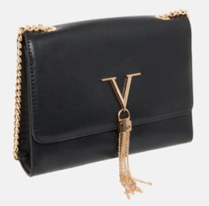 | W23BA1001S | Arianna small | 901 | Black | OS | 190.00 € | 729
 | W24BAG032 | Vivi quilt | 901 | Black | OS | 120.00 € | 376
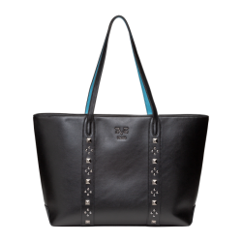 | W25WBAG10 | Avena | 901 | Black | OS | 190.00 € | 814
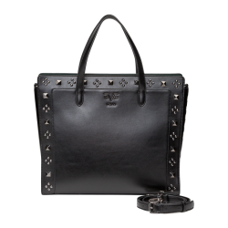 | W25WBAG11G | Azzura | 901 | Black | OS | 190.00 € | 813
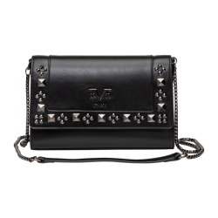 | W25WBAG13G | Cadenza | 901 | Black | OS | 180.00 € | 809
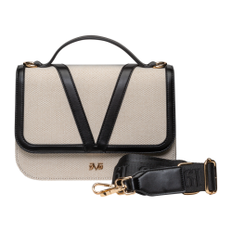 | W25WBAG16 | Dulce | 7509 | Beige/Black | OS | 170.00 € | 830
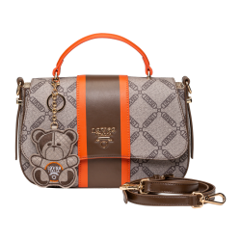 | W25WBAG19 | Giustina | 750 | Beige | OS | 160.00 € | 357
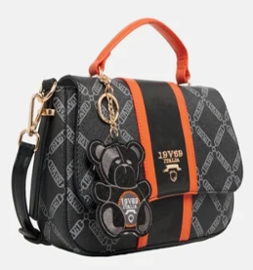 | W25WBAG19 | Giustina | 901 | Black | OS | 160.00 € | 319
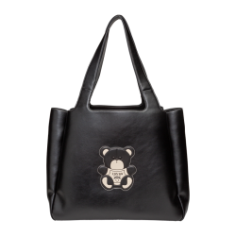 | W25WBAG36 | Ortensia | 901 | Black | OS | 200.00 € | 416

 |  |  |  |  |  |  | 21830

